9-13.Safety&Quality
9.Pesticide residues & Heavy Metal Standard
Test Item | EU MRL standard | Country of Origin MRL Standard | Test Frequency | 14/07/2025 Lab
Pesticide | Comply to REGULATION (EC) No 396/2005 MRL | GB2763 MRL/GB7096-2014 National Food Safety Standard - Edible Fungi and Their Products | Every Batch | Result /Dry weight
Lead (Pb) | ≤0.30 mg/kg (wet weight) | ≤1.0 (mg/kg) | Every Batch | ND
Cadmium(Cd) | ≤0.15 mg/kg (wet weight) | ≤0.5 (mg/kg) (wet weight) | Every Batch | 0.626mg/kg
Mercury | 0.05mg/kg (wet weight) | ≤0.1 (mg/kg) | Every Batch | 0.003mg
Inorganic Arsenic | N/A | ≤0.5 (mg/kg),as inorganic arsenic | Every Batch | 0.252mg
Moisture | N/A | ≤13% | Every Batch | 10.20%
Sulpher Dioxide | 100mg/kg | 50mg/kg | Every Batch | 10mg/kg
Pesticide and heavy metal EU&GB MRL refer to wet product weight
10.Acrylamide
Are Products at risk of acrylamide? |  |  |  | No
If Yes. What mitigation measures are in place to manage acrylamide levels with the food? |  |  |  | N/A
11.Radioactivity
Has the product/ingredient been irradiated? |  |  |  | No
Is the product/ingredient subject to potential radioactive cross contamination? | Yes/No | Yes/No | Yes/No | No
If yes, what controls in place |  |  |  | N/A
Has the product/ingredient been imported into the UK from a country that has high levels of radioactivity? | Yes/No | Yes/No | Yes/No | No
If Yes, how is this controlled and what checks are carried out? |  |  |  | N/A
12.Microbiology Standards
Micro-organisms | EU satisfactory in ready to eat | Contry of Origin Standard | Manufacturer Standard | Test Frequency
TVC | <104 | N/A | N/A | N/A
Escherichia coli | <20 | N/A | N/A | N/A
Enterobacteriaceae | <100 | N/A | N/A | N/A
Listeria spp | Not Detected | N/A | N/A | N/A
Listeria monocytogenes | Not Detected | N/A | N/A | N/A
Campylobacter spp. | Not Detected | N/A | N/A | N/A
Escherichia coli O157 | Not Detected | N/A | N/A | N/A
Salmonella spp. | Not Detected | N/A | N/A | N/A
Shigella spp. | Not Detected | N/A | N/A | N/A
Vibrio cholera (O1 and O139) | Not Detected | N/A | N/A | N/A
Vibrio parahaemolyticus | <20 | N/A | N/A | N/A
Bacillus cereus | <103 | N/A | N/A | N/A
Bacillus spp. | <103 | N/A | N/A | N/A
Clostridium perfringens | <10 | N/A | N/A | N/A
Staphylococcus aureus and other coagulase-positive staphylococci | <20 | N/A | N/A | N/A
13.Acceptance and Rejection standard
Standard Product Photo & Description | Rejected Product Photo& Description
IE. Grading, Sizing, Appearance, Flavor/taste, Texture, Colour, smell | IE. Grading, Sizing, Appearance, Flavor/taste, Texture, Colour, smell
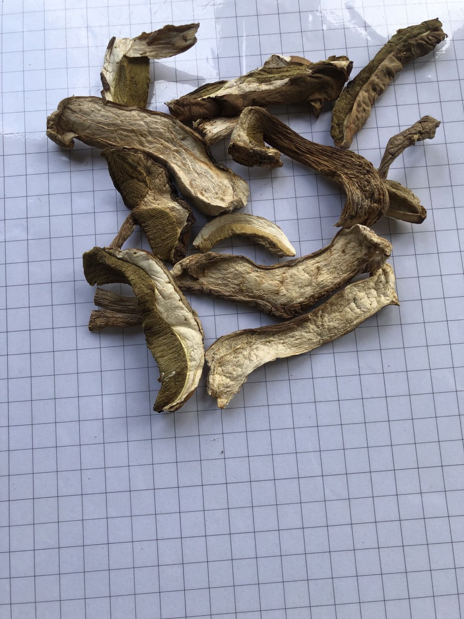 | 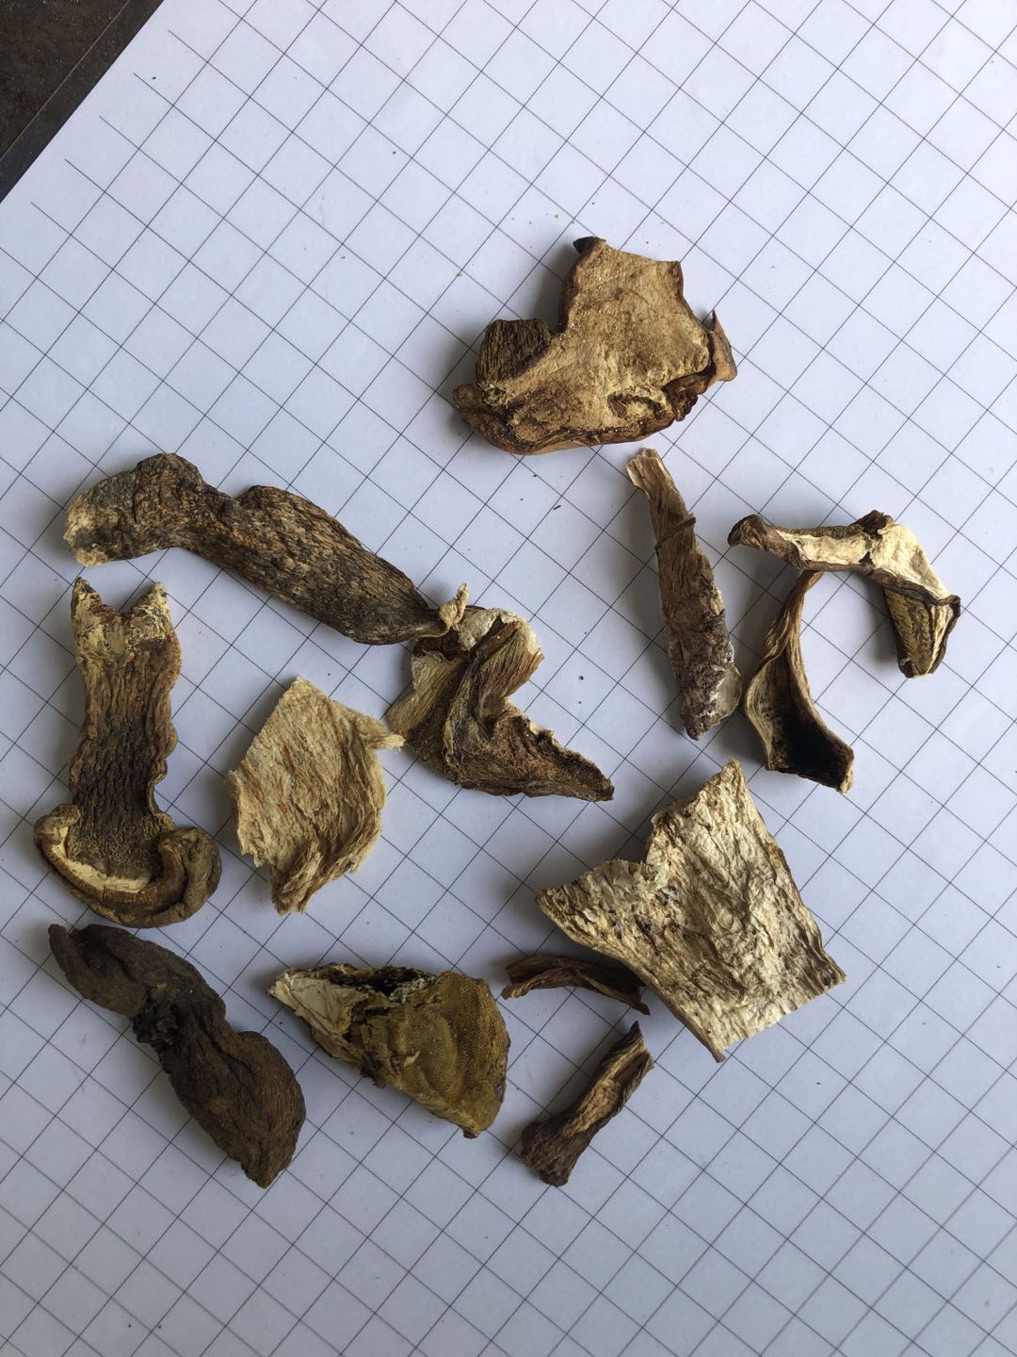
The shape is cap slice or bottom slice, the length is more than 3 cm Single piece of white, or double-sided white, cap slices are light brown or light yellow, mushroom body are tender No worm, No wormholes, or few small wormholes Has the typical smell of porcini In season Dryness within 12% | The shape is messy, the size is less than 3 cm The mushroom body is dark brown or even black There are many worm holes, even worms Mushrooms have mud Not in season Moisture level is higher than 12% Nicotine and pesticide residue testing does not meet EU and British standards

14-16.Quantity&packaging in (2
14.Quantity Attributes
 | Unit (g) | Case (kg)
Unit Drained Weight (If Product contains liquid) | N/A | N/A
Net Weight | 35 | 0.42
Gross Weight | 62 | 1.244
Is the product packed in a Protective atmosphere? (if yes, indicate the composition on gases used if applicable) |  |  | No
Is the product vacuum packed? |  |  | No
Primary Package Plastic Material Comply with Commission Regulation (EU) No 10/2011 |  |  | Yes
15.Packaging Weight Dimensions
 | Description/Color | Materials *please indicate the plastic material from below 01-07 | Weight (g) | Dimensions (mm)

Primary： | Plastic Bottle with aluminum lid | PETE | 27 | D 70
 |  |  |  | H 120

Secondary: | Carton box | Carton | 500 | Length 290
 |  |  |  | Width 220
 |  |  |  | Height 130

16.Pallet Configuration
 | EU Pallet Configuration (0.8m x 1.2m) |  | UK Pallet Configuration (1.0m x 1.2m)
Cases per layer | 14 |  | 17
Number of layers | 13 |  | 13
CTNs/Pallet | 182 |  | 221
Pallet Height(M) | 1.69 |  | 1.69
Pallet Height incl pallet (M) | 1.835 |  | 1.835
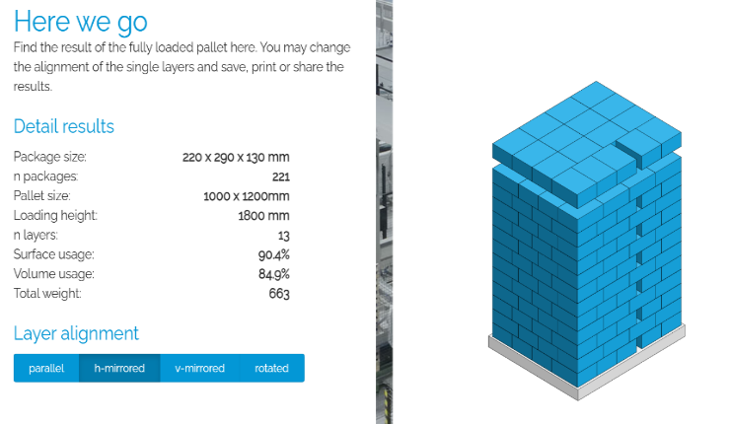
Pallet Weight(kg) | 226.408 |  | 274.924
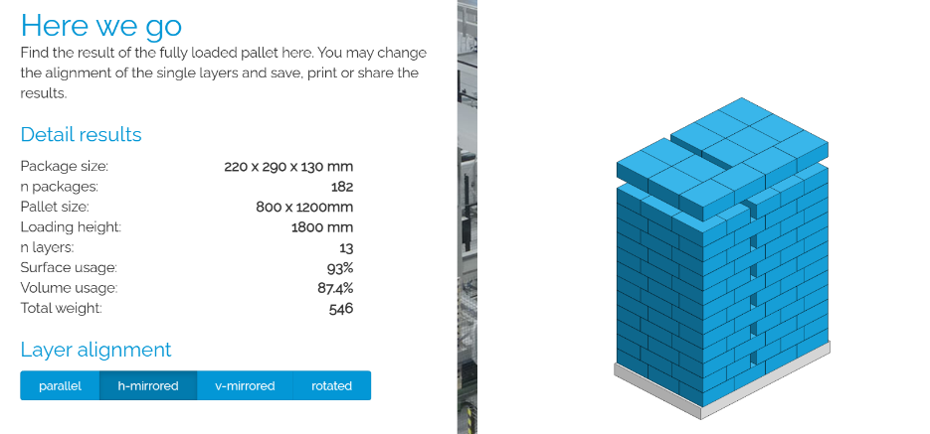 Pallet Top-View
 | *pallet height must lower than 1.85m

17-20.HCCP,Artwork&SpecAuthor.
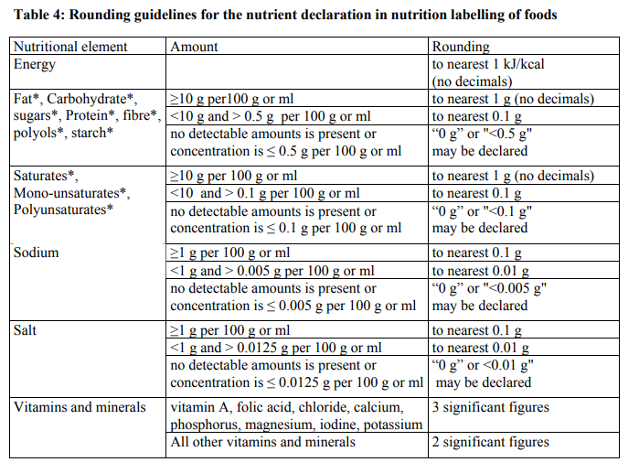
17.Process Flow Chart- (showing all CCPs)
Please provide in the form a Critical Control Point (CCP), a description of the process/packing operations including processing times tempuratures where applicable and in process Safery Control Checks (CCP Summary) and Quality Checks.
Receive raw material→ Store row material→ Soaking → Root cutting → Cleaning machine → Bubble cleaning→ Washing → Drying on the shelf CCP1 → Selection check→ Storage→ Selection check→ Packing→ Metal detectionCCP2→Boxing→Warehousing

18.Critical Control Points
CCP | Control Measure |  | Critical Limit | Monitoring Frequency
CCP1 | Moisture control |  | ≤13% | Every batch
CCP2 | Metal detect |  | Fe: ≤1.0mm; Nfe: ≤1.5mm; Sus: ≤1.5mm | All bottles, metal detector will be checked every hour.
19.Artwork
Inner Label / Package Design artwork |  | Outer Label / Package Design artwork

20.Packaging Photos
Finished Product with Primary package | Outer Case (Secondary) |  | Tertiary
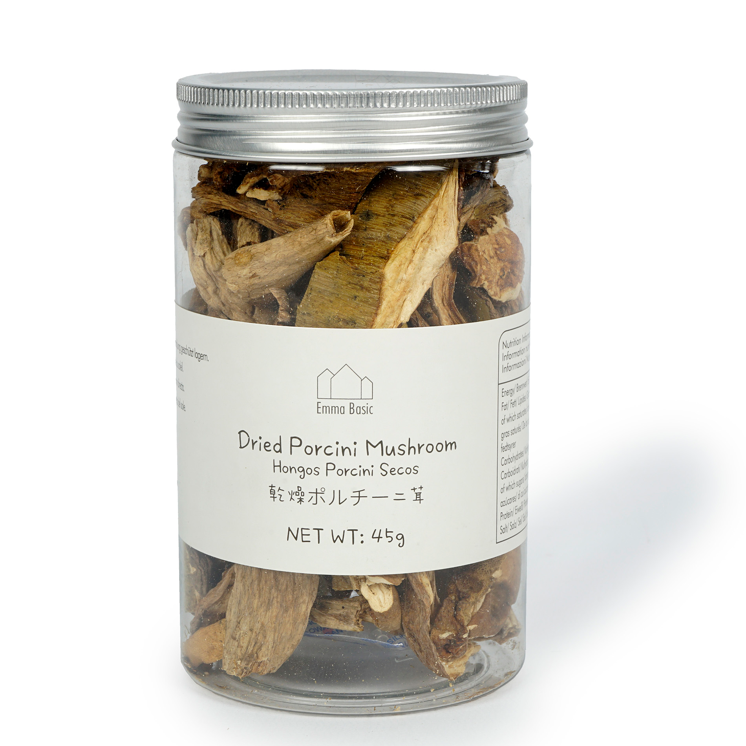 | 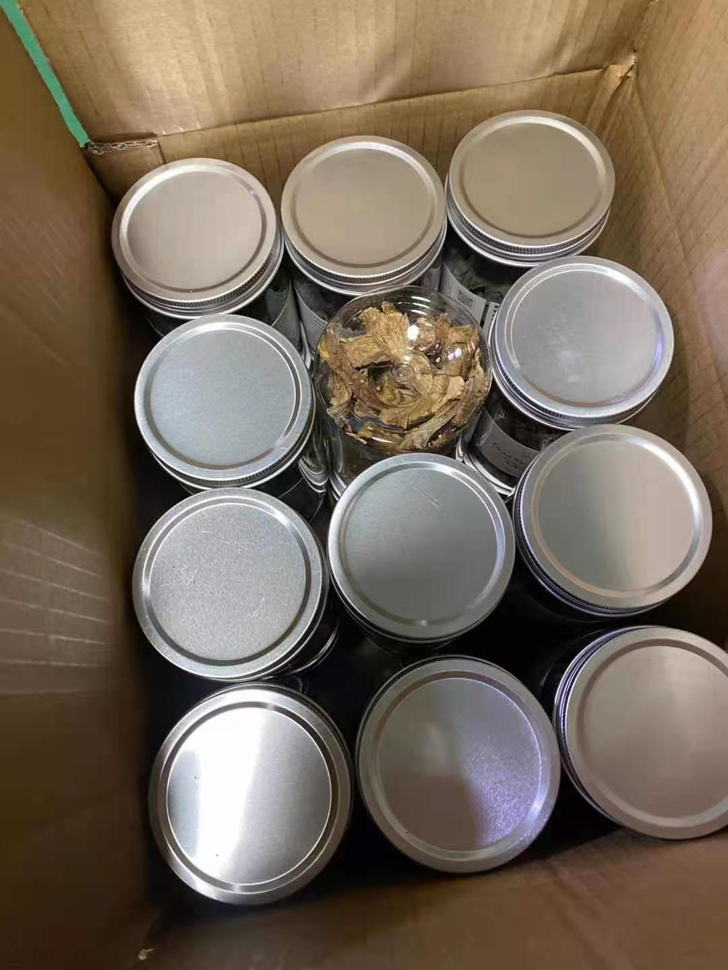
Specification Authorization
1.Product to be supplied in accordance with this agreed specification. No changes are to be made without prior knowledge and prior written agreement of The Basic Ingredients Ltd technical department. 2.The contents of this specification are confidential and should not be disclosed to a third party without a written approval of The Basic Ingredients Ltd technical department.
Manufacture Name | ZHEJIANG JINHUA HAM IMPORT & EXPORT CO., LTD
Signature
Print Name | John Jiang
Position in Company | Technical Manager
Date | 2026-04-08

The Basic ingredients team use only
Signature | 杜一jing
Print Name | Emma Du
Position in Company | Director
Date | 2026-04-08

